ShopFloor
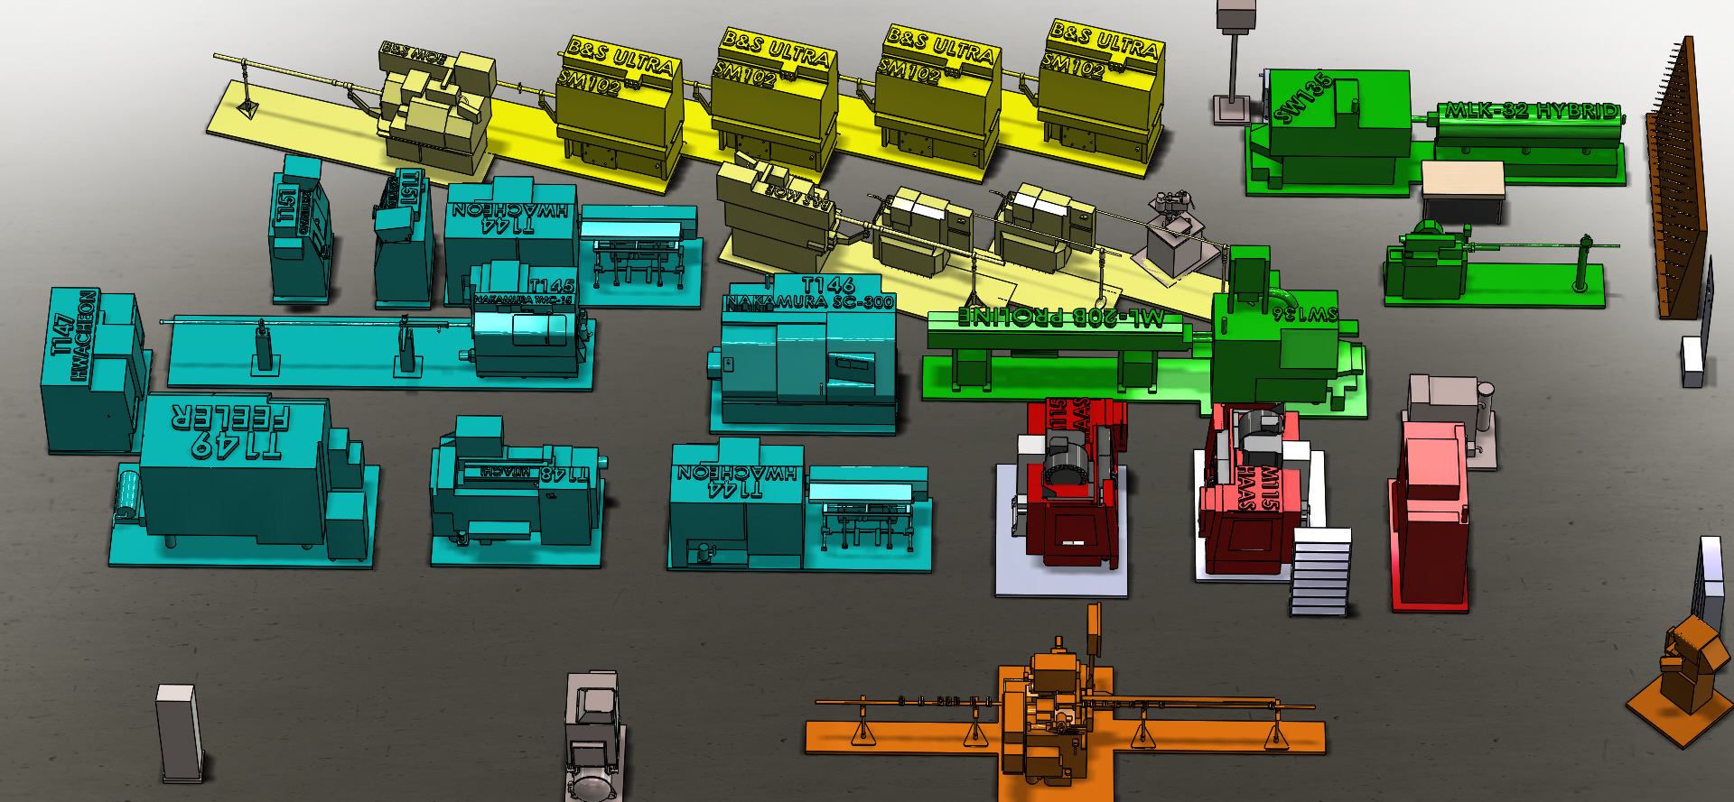

IDLE
IDLE
IDLE
IDLE
IDLE
IDLE

IDLE
57 Hours Left
4078T20G01(10)
Ion
020402
525
IDLE
IDLE
IDLE

IDLE
IDLE

IDLE
IDLE
IDLE
IDLE

IDLE
IDLE
IDLE
IDLE
IDLE
IDLE

IDLE
IDLE

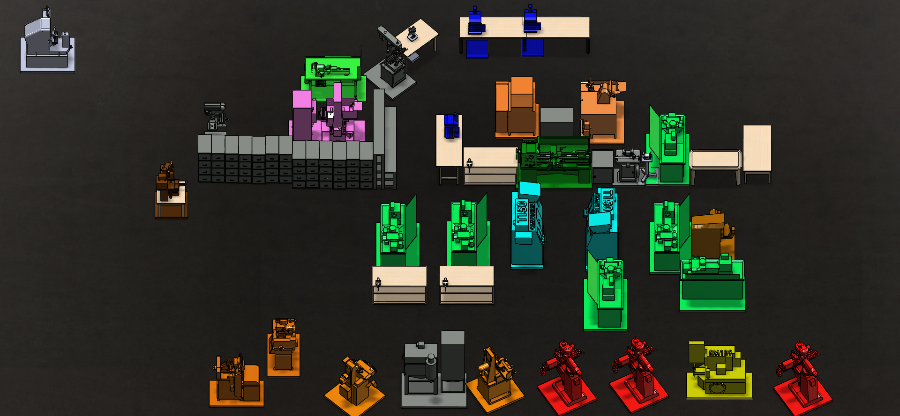

IDLE
IDLE

IDLE

17 Hours Left
2050M57P01(60)
Ryan
020208
4603
IDLE

IDLE

IDLE

IDLE
IDLE

IDLE

IDLE
IDLE
IDLE
IDLE
IDLE
IDLE

IDLE
IDLE
IDLE
Past Complete
4013506-029P02SF(70)
Phetsamay
No
Img
020261
630

IDLE

IDLE
IDLE
IDLE
IDLE
IDLE
IDLE
IDLE

